Sheet1
EXCEL MODELLING

BUSINESS MODELS | DATA MODELS

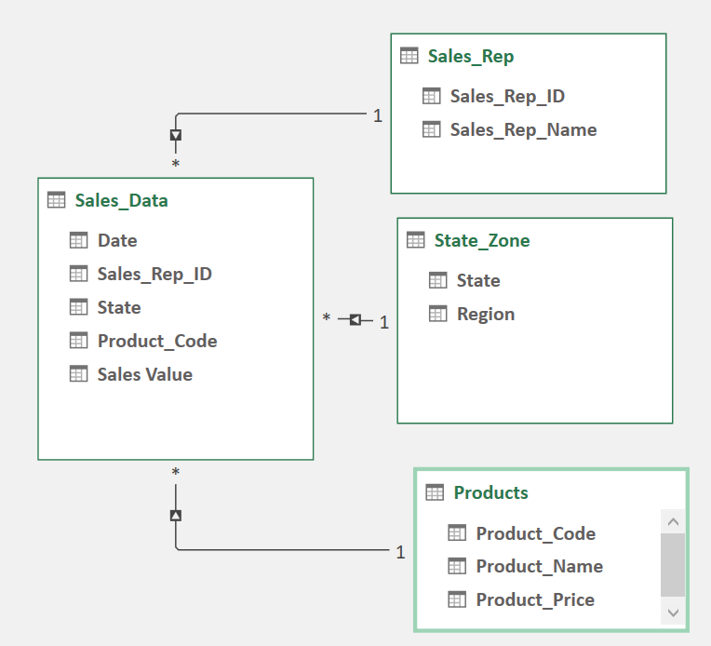
Financial Models
Investment Models
Behavioural Models
Engineering Models
Engineering Models
Production/Manufacturing Models
Insurance Models
Supply Chain & Logistics Models

